PhoneManagement form
Background color: E4E0E0
Foreground: 000000
Font: Sans Serif
Text size: 18
Alignment: center
Location: 310, 18
Size: 241, 29
Background: FFFFFF
Foreground: 000000
Text size: 12
Font: Sans Serif
Alignment: Left
Location: 408, 70
Size: 330, 26

PM02
PM03

Background color: FFFFFF
Foreground: 000000
Font: Sans Serif
Size :12
Alignment: left
Striped: none
Scroll appearance: 15+ rows
Location: 9, 102
Size: 848, 372

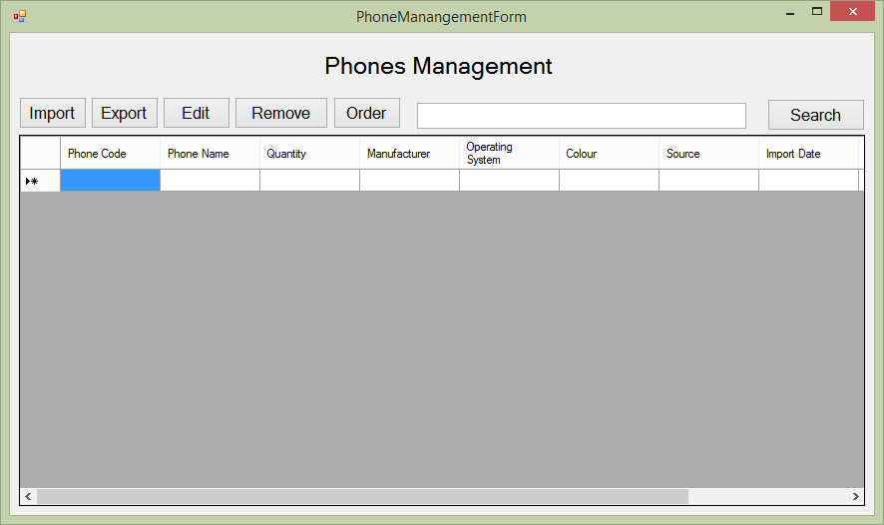
Background Color: E4E0E0

PM06, PM07, PM08

PM01

PM04, PM05

Background Color: E4E0E0
Font: Sans Serif
Size 12
Alignment: center
Width 94
Heigh: 32

PhoneManagement_Import form
PMI01
PMI02,PMI03,PMI04,PMI05,
PMI06,PMI07,PMI08,PMI09,
Background: FFFFFF
Foreground: 000000
Font: Sans Serif
Text size: 12
Size: 297, 26
Max length text: 50

Background color: E4E0E0
Foreground: 000000
Font: Sans Serif
Text size: 18
Alignment: center
Size: 142, 20

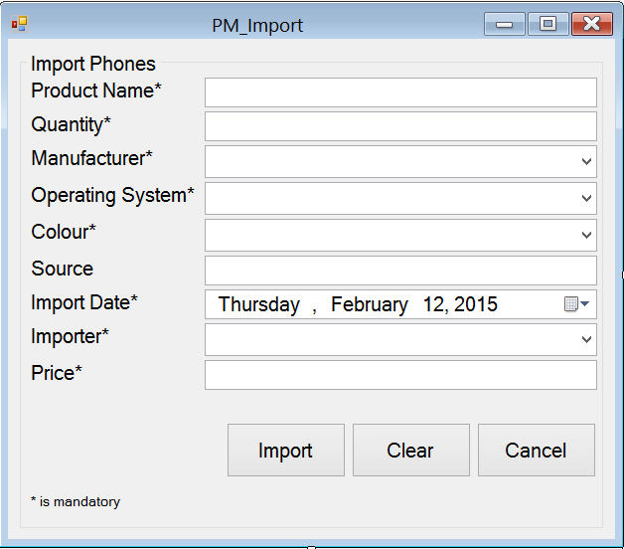

Background: FFFFFF
Foreground: 000000
Size: 297, 26
Text size:12
Source: MANUFACTURE.NAME
Background: FFFFFF
Foreground: 000000
Size: 297, 26
Text size:12
Source: OPERATINGSYSTEM.NAME

Background: FFFFFF
Foreground: 000000
Size: 297, 26
Text size: 12
Format: Date of week, Month DD, YYYY
Background: FFFFFF
Foreground: 000000
Size: 297, 26
Text size:12
Source: COLOR.COLORNAME

Background Color: E4E0E0
Background Color: E4E0E0
Font: Sans Serif
Text size: 12
Size: 90, 45
PMI010,PMI11,PMI12,PMI13,
PMI33 PMI34
PMI14 PMI15 PMI16 PMI17
PMI26 PMI27 PMI28

PMI18 PMI19 PMI20 PMI21
PMI29 PMI30 PMI31 PMI32

PMI22 PMI23 PMI24 PMI25
PMI35 PMI36 PMI37

PMI38 PMI39
PMI40

PhoneManagement_Export form
Background color: E4E0E0
Foreground: 000000
Font: Sans Serif
Text size: 18
Alignment: center
Size: 142, 20
Background: FFFFFF
Foreground: 000000
Size: 297, 26
Text size:12
Source: PHONE.ID

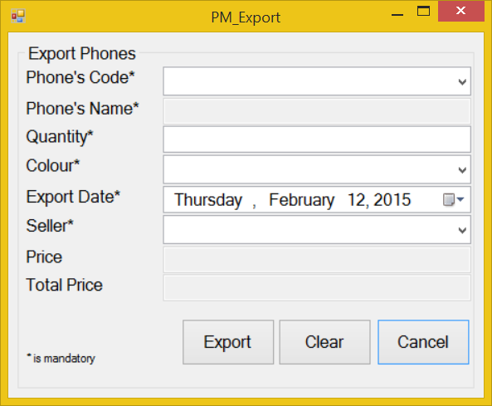
Background: FFFFFF
Foreground: 000000
Font: Sans Serif
Text size: 12
Size: 297, 26
Max length text: 50
Background: FFFFFF
Foreground: 000000
Size: 297, 26
Text size:12
Source: COLOR.COLORNAME

Background: FFFFFF
Foreground: 000000
Size: 297, 26
Text size: 12
Format: Date of week, Month DD, YYYY
Background: FFFFFF
Foreground: 000000
Size: 297, 26
Text size:12
Source: STAFF.NAME

Background Color: E4E0E0
Font: Sans Serif
Text size: 12
Size: 90, 45

PhoneManagement_Edit form
Background color: E4E0E0
Foreground: 000000
Font: Sans Serif
Text size: 18
Alignment: center
Size: 142, 20
Background: FFFFFF
Foreground: 000000
Font: Sans Serif
Text size: 12
Size: 297, 26
Max length text: 50

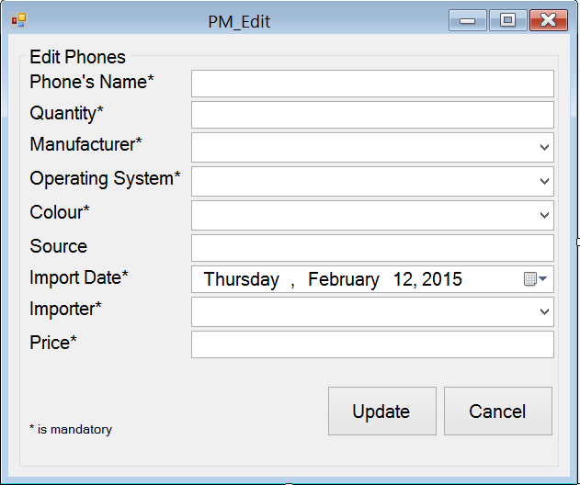

Background: FFFFFF
Foreground: 000000
Size: 297, 26
Text size:12
Source: COLOR.COLORNAME
Background: FFFFFF
Foreground: 000000
Size: 297, 26
Text size:12
Source: MANUFACTURE.NAME

Background: FFFFFF
Foreground: 000000
Size: 297, 26
Text size: 12
Format: Date of week, Month DD, YYYY
Background: FFFFFF
Foreground: 000000
Size: 297, 26
Text size:12
Source: STAFF.NAME

Background Color: E4E0E0
Font: Sans Serif
Text size: 12
Size: 90, 45

PhoneManagement_Order form
Background color: E4E0E0
Foreground: 000000
Font: Sans Serif
Size: 12

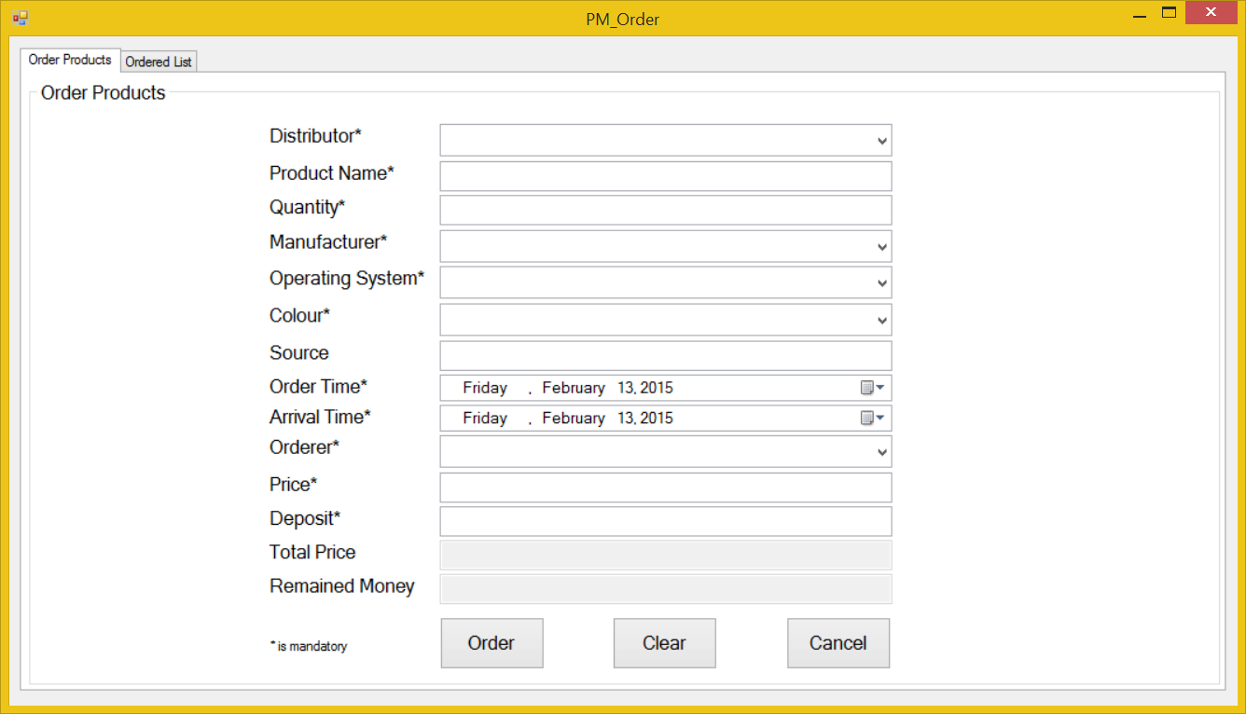
Background: FFFFFF
Width: 300

Background: FFFFFF
Width: 300

Background Color: FFFFFF

Background Color: E4E0E0
Font: Sans Serif
Size 12

